Sheet1_pql
 |  |  |  | nesting | nesting | response: line no | response: var names | response: line no particular line | response: proc name | ITR3 | response: var names compliment pair of uses(a,v) | response: var names |  |  | ITR3 |  | pattern assign (LHS, RHS) comma is equal | LHS normSQ RHS contains "cenX * cenX" |  | wait for pattern table | wait for pattern table and while table |  | If a relationship has "T" as the suffix, you may assume that it refers to the star variant of the relationship without a "T". For example, ParentT refers to the Parent* relationship.
 |  |  |  | s2[curLine] under s1[1up] | s2[curLine] under s1[1xup] | assign LHS var RHS | var in print stmt | var in if() or while() var RHS | proc uses v v RHS of stmt | called proc uses v | var LHS assign stmnt | var v in read stmnt | v nested under if() or while(); v on LHS | proc uses v v LHS of stmt | called proc uses v |  | pattern a (_,_"count+1"_) | pattern a ( "normSq" , _"cenX * cenX"_) |  | Select a such that Parent* (w, a) | Select w such that Parent* (w, a) pattern a ("count", _) | Select a such that Modifies()
 |  |  | block | Parent(s1,s2) | Parent*(s1,s2) | Uses(a,v) | Uses(pn,v) | Uses(s,v) | Uses(p,v) | Uses(c,v) | Modifies(a,v) | Modifies(r,v) | Modifies(s,v) | Modifies(p,v) | Modifies(c,v) |  | LHS = MAV | LHS = MAV |  | LHS = whileTbl | while identifies 5; Parent identifies 5: 6,7,8,9 |  | The "S" suffix means that the relationship applies to all statements except calls. Therefore, for iteration 2, you do not need to consider modifies/uses by procedure/procedure call.
 |  |  | stmtList |  |  |  |  |  | Variable Table |  |  |  |  |  |  |  | RHS = UAV | RHS = UAV |  | RHS=assign | pattern returns 6
 | procedure computeCentroid {
 | 1 | count = 0; | 1 |  |  |  |  |  |  |  | v=count, 1 |  |  | count
 | 2 | cenX = 0; | 1 |  |  |  |  |  |  |  | v=cenX,2 |  |  | cenX |  |  |  |  |  |  |  |  | PQL
 | 3 | cenY = 0; | 1 |  |  |  |  |  |  |  | v=cenY,3 |  |  | cenY |  |  |  |  |  |  |  |  | Modifies(stmtRef, entRef)
 | 4 | call readPoint; | 1 |  |  |  |  |  |  |  |  |  |  |  |  |  | UAV |  |  |  |  |  | stmtRef: synonym | ‘_’ | INTEGER
 | 5 | while ((x != 0) && (y != 0)) { | 2 |  |  |  |  | v=x,y,5 |  |  |  |  |  |  |  |  | Variable Table?? |  |  |  | 5 |  | entRef: synonym | ‘_’ | ‘"’ IDENT ‘"’
 | 6 | count = count + 1; | 2 | 5 | 5 | v=count,6 |  |  | v=count, computeCentroid |  | v=count,6 |  | v=count, 5 | count |  |  | 6 |  |  | 6
 | 7 | cenX = cenX + x; | 2 | 5 | 5 | v=cenX,7 |  |  | cenX |  | v=cenX,7 |  | v=cenX, 5 | cenX |  |  | SQL |  |  | 7 |  |  | Modifies(a,v) | syn,
 | 8 | cenY = cenY + y; | 2 | 5 | 5 | v=cenY,8 |  |  | cenY |  | v=cenY,8 |  | v=cenY, 5 | cenY |  |  | SELECT a |  |  | 8 |  |  | Modifies(r,v)
 | 9 | call readPoint; | 2 | 5 | 5 |  |  |  |  |  |  |  |  |  |  |  | FROM assignTbl |  |  | 9 |  |  | Modifies(s,v)
 | } |  |  |  |  |  |  |  |  |  |  |  |  |  |  |  | WHERE MAV like "count + 1" |  |  | piazza for 9 |  |  | Modifies(p,v)
 | 10 | if (count == 0) then { |  |  |  |  |  | v=count,10 |  |  |  |  |  |  |  |  | wildcard on LHS ignore
 | 11 | flag = 1; | 3 | 10 | 10 |  |  |  |  |  | v=flag,11 |  | v=flag,10 | flag |  |  |  | SELECT a
 |  | } else { |  |  |  |  |  |  |  |  |  |  |  |  |  |  | SELECT a | FROM assignTbl |  |  |  |  | Q8. Which procedures modify variable “x”? (Code 5)
 | 12 | cenX = cenX / count; | 3 | 10 | 10 | v=cenX count,12 |  |  | cenX, count |  | v=cenX,12 |  | v=cenX,12 | cenX |  |  | FROM varTbl | WHERE |  |  |  |  | variable v; procedure p;
 | 13 | cenY = cenY / count; | 3 | 10 | 10 | v=cenY count,13 |  |  | cenY, count |  | v=cenY,13 |  | v=cenY,13 | cenY |  |  | WHERE | PK = 'normSq' |  |  |  |  | Select p such that Modifies (p, “x”)
 | } |  |  |  |  |  |  |  |  |  |  |  |  |  |  |  | PK | AND |  |  |  |  | -- answer: main, computeCentroid, readPoint
 | 14 | normSq = cenX * cenX + cenY * cenY; | 1 |  |  | v=cenX cenY,14 |  |  |  |  | v=normSq,14 |  |  | normSq |  |  |  | 14
 | 15 | print cenY; | 1 |  |  |  | v=cenY,15 |  |  |  |  |  |  |  |  |  |  |  |  |  |  |  | Q8. Find assignments that contain sub expression count + 1 on the right hand
 | } |  |  |  |  |  |  |  |  |  |  |  |  |  |  |  |  |  |  |  |  |  | side. (Code A)
 |  |  |  |  |  |  |  |  |  |  |  |  |  |  |  |  |  |  |  |  |  |  | assign a;
 |  | procedure main { |  |  |  |  |  |  |  |  |  |  |  |  |  |  |  |  |  |  |  |  | Select a pattern a ( _ , _"count + 1"_) -- answer: 6
 | 16 | flag = 0; | 4 |  |  |  |  |  |  |  | v=flag,16 |  |  | flag
 | 17 | call computeCentroid; | 4 |  |  |  |  |  |  |  |  |  |  |  |  |  |  |  |  |  |  |  | Q9. Find assignments that contain normSq on the left hand side and the sub-expression cenX * cenX on the right hand side. (Code A)
 | 18 | call printResults; | 4 |  |  |  |  |  |  |  |  |  |  |  |  |  |  |  |  |  |  |  | assign a;
 |  | } |  |  |  |  |  |  |  |  |  |  |  |  |  |  |  |  |  |  |  |  | Select a pattern a ( "normSq" , _"cenX * cenX"_) -- answer: 14

 |  | procedure readPoint { |  |  |  |  |  |  |  |  |  |  |  |  |  |  |  |  |  |  |  |  | Q10: Find while loops with assignment to variable "count" (Code A)
 | 19 | read x; | 5 |  |  |  |  |  |  |  |  | v=x,19 |  |  |  |  |  |  |  |  |  |  | assign a; while w;
 | 20 | read y; | 5 |  |  |  |  |  |  |  |  | v=y20 |  |  |  |  |  |  |  |  |  |  | Select w such that Parent* (w, a) pattern a ("count", _) -- answer: 5
 |  | }
 |  |  |  |  |  |  |  |  |  |  |  |  |  |  |  |  |  |  |  |  |  |  | Q11. Find assignments that use and modify the variable "x" (Code A)
 |  | procedure printResults { |  |  |  |  |  |  |  |  |  |  |  |  | Tokenizer handle spaces odd cases |  |  |  |  |  |  |  | assign a; variable v;
 | 21 | print flag; | 6 |  |  |  | v=flag,21 |  |  |  |  |  |  |  |  |  |  |  |  |  |  |  | Select a such that Uses (a, "x") pattern a ("x", _) -- answer: none - empty
 | 22 | print cenX; | 6 |  |  |  | v=cenX,22 |  |  |  |  |  |  |  | is SIMPLE case-sensitive |  |  |  |  |  |  |  | Select a pattern a("x",_) pattern a(_,_"x"_);
 | 23 | print cenY; | 6 |  |  |  | v=cenY,23
 | 24 | print normSq; | 6 |  |  |  | v=normSq,24 |  |  |  |  |  |  |  | add pattern table
 |  | }
 |  |  |  |  |  |  |  |  | what is diff between Uses(pn,flag) and Uses("printResults", flag)?

stmnt |  |  |  | variable |  |  |  |  |  | assign | VAR |  |  |  | print
PK | Parent |  |  | PK | USV | MSV |  |  |  | PK | UAV |  | MAV |  | PK | UPNV
1 | 0 | count,cenX,cenY |  | count | 10 |  |  |  |  | 1 | 0 |  | count |  | 15 | cenY
2 | 0 |  |  | cenX |  | 12 |  |  |  | 2 | 0 |  | cenX |  | 21 | flag
3 | 0 |  |  | cenY |  | 13 |  |  |  | 3 | 0 |  | cenY |  | 22 | cenX
4 | 0 |  |  | x | 5 | 5 |  |  |  | 6 | count |  | count |  | 23 | cenY
5 | 0 |  |  | y | 5 | 5 |  |  |  | 7 | cenX |  | cenX |  | 24 | normSq
6 | 5 | x,y |  | flag |  | 10 |  |  |  | 8 | cenY |  | cenY
7 | 5 |  |  | normSq |  |  |  |  |  | 11 | 0 |  | flag |  | read
8 | 5 |  |  |  |  |  |  |  |  | 12 | cenX, count |  | cenX |  | PK | MRV
9 | 5 |  |  |  |  |  |  |  |  | 13 | cenX, count |  | cenY |  | 19 | x
10 | 0 |  |  |  |  |  |  |  |  | 14 | cenX, cenY |  | normSq |  | 20 | y
11 | 10 |  |  |  |  |  |  |  |  | 16 |  |  | flag
12 | 10
13 | 10
14 | 0
15 | 0
16 | 0 |  |  |  |  |  |  |  |  |  |  |  |  |  | proc
17 | 0 |  |  |  |  |  |  |  |  |  |  |  |  |  | PK | block | UPV | MPV | Hash
18 | 0 |  |  |  |  |  |  |  |  |  |  |  |  |  | computeCentroid | 1,2,3 | count, cenY, cenX | count, cenY, cenX,flag, normSq | HashID
19 | 0 |  |  |  |  |  |  |  |  |  |  |  |  |  | main | 4 |  | flag
20 | 0 |  |  |  |  |  |  |  |  |  |  |  |  |  | readPoint | 5
21 | 0 |  |  |  |  |  |  |  |  |  |  |  |  |  | printResults | 6
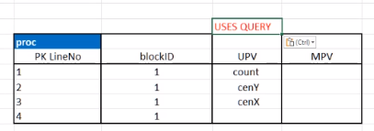
22 | 0
23 | 0
24 | 0

PQLparser
ITR1 | 4.3 Query Processor
 | It is recommended to split Query Processor into Query Parser and Query Evaluator
 | Query Parser parses each query, and then generates an internal representation for the query. Implement Query Parser in a similar way as the parser for SIMPLE.
 | Query Evaluator receives the internal representation of the query and evaluates it, consulting Database when necessary.
 | You may assume that the input query is valid (i.e., there is no need to perform validation). However, it might still be useful to print diagnostic messages for debugging.

ITR2 | 3. Suggested division of work into phases

 | Phase A | SIMPLE
 |  | +If and while statement
 |  | +Assignment statements with expressions
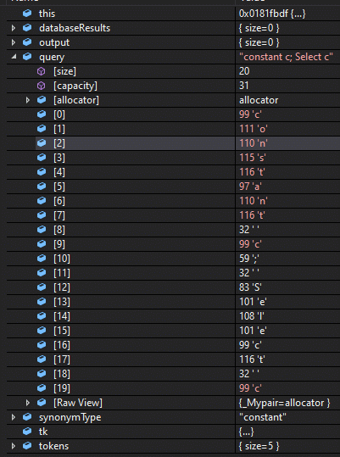
 |  | PQL
 |  | +One such that clause or one pattern clause
 |  | +Next, Parent
 |  | +Partial pattern match with LHS only.

 | Phase B | PQL
 |  | +Next *, +Parent *, +ModifieS (excluding call statements), +UseS (excluding call statements)
 |  | +Partial pattern match with a single variable / constant on the RHS.

 | fetchQtoken | -- fresh token loaded into QSym
 |  | qtokencounter++ |  | ret qtokensRanOut on end

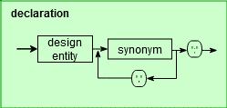
 | declaration(tokens)

 | while | qsym not semicolon

 | fetchQtoken | if not qtokensRanOut or semicolon

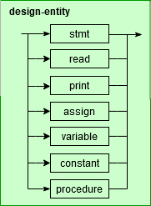
 |  |  | write to DB::Synonym table
 |  |  |  | qsym: PK

 |  |  | continue

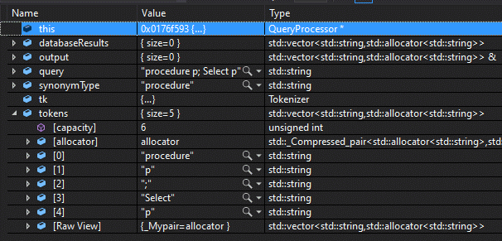
 | isQsymDeclaredSynonym(void) |  |  | //was matchQsymToDeclaredSynonym
 |  |  |  | DB to provide function to match
 |  | if(qsym in DB::SynonymTable)
 |  |  | return true | DB set tgtTbl to SynonymTbl[Tbl]
 |  | else
 |  |  | return false

 | isQsymDeclared(Qsymbol tgtType)

 |  | if(qsym in DB::SynonymTable Type= qassign)
 |  |  | return true
 |  | else
 |  |  | return false

 | isQsymVarDeclared(Qsymbol tgtType)

 |  | if(qsym in DB::Variable Table)
 |  |  | return true
 |  | else
 |  |  | return false

 |  |  |  |  |  |  |  |  |  |  | DB | VARCHAR string
 | entRef |  |  | LHS |  |  |  |  |  |  | Synonym | DB tbl name
 |  |  |  |  |  |  |  |  |  |  | PK | Tbl
 |  | if( isQsymDeclaredSynonym()) |  |  |  |  |  |  |  |  | declared syn | procedures
 |  |  |  | // ToDo: what to keep for pattern string |  |  |  |  |  |  |  | assign
 |  |  |  | // set tgt tbl |  |  |  |  |  |  |  | print
 |  |  |  |  |  |  |  |  |  |  |  | read
 |  |  | return 1 |  |  |  |  |  |  |  |  | stmt
 |  |  |  |  |  |  |  |  |  |  |  | variable
 |  | else if (qsym == qdblquote) |  |  |  |  |  |  |  |  |  | constant
 |  |  | fetchQtoken() |  |  |  |  |  |  |  |  | ?while table
 |  |  | if( qsym is varname) // var name |  |  |  |  |  |  |  |  | ?if table
 |  |  |  | fetchQtoken |  |  |  |  |  |  |  | ?call table
 |  |  |  | if (qsym == qdoublequote) | return 1

 |  |  |  | else | error
 |  |  | else | error
 |  | else if (qsym == qwildcard)
 |  |  | return 1 | // ToDo: what to keep for pattern string

 | while | tokens | not exhausted

 |  | declaration(tokens)

 | if | qsym | == | qselect
 |  | fetchQtoken

 |  | if | isQsymDeclaredSynonym(void)
 |  |  | fetchQtoken

 |  |  | if | qsym | == | qtokensRanOut
 |  |  |  | // PQL: select something

 |  |  |  | switch | qsym
 |  |  |  | case | qprocedure | DB::getProcedures
 |  |  |  | case | qassign | DB::getAssign
 |  |  |  | case | qprint | DB::getPrint
 |  |  |  | case | qread | DB::getRead
 |  |  |  | case | qstmt | DB::getStatement
 |  |  |  | case | qvariable | DB::getVariables
 |  |  |  | case | qconstant | DB::getConstant

 |  |  |  | continue

 |  |  | else
 |  |  | if | qsym | == | qsuch
 |  |  |  | fetchQtoken

 |  |  |  | if | qsym | == | that

 |  |  |  |  | if | relRef(tokens)

 |  |  |  |  |  | continue
 |  |  |  |  | else | error
 |  |  |  | else | error

 |  |  | else | if | qsym | == | pattern

 |  |  |  | fetchQtoken

 |  |  |  | if | isQsymDeclared(qassign)
 |  |  |  |  | fetchQtoken
 |  |  |  |  | if | qsym | == | qbracketOpen
 |  |  |  |  |  | fetchQtoken
 |  |  |  |  |  | if | entRef | // LHS of pattern
 |  |  |  |  |  |  | fetchQtoken
 |  |  |  |  |  |  | if | qsym | == | qcomma
 |  |  |  |  |  |  |  | fetchQtoken
 |  |  |  |  |  |  |  | if | (exprSpec) | // RHS of pattern
 |  |  |  |  |  |  |  |  | if | qsym | == | qbracketClose
 |  |  |  |  |  |  |  |  |  | return 1 | // ToDo: where to store?

 |  |  |  |  |  |  |  |  | else | error
 |  |  |  |  |  |  |  | else | error
 |  |  |  |  |  |  | else | error
 |  |  |  |  |  | else | error
 |  |  |  |  | else | error
 |  |  |  | else | error

Sheet1
 |  |  |  | nesting | nesting | response: line no | response: var names | response: line no particular line | response: proc name | ITR3 | response: var names compliment pair of uses(a,v) | response: var names |  |  | ITR3
 |  |  |  | s2[curLine] under s1[1up] | s2[curLine] under s1[1xup] | assign LHS var RHS | var in print stmt | var in if() or while() var RHS | proc uses v v RHS of stmt | called proc uses v | var LHS assign stmnt | var v in read stmnt | v nested under if() or while(); v on LHS | proc uses v v LHS of stmt | called proc uses v
 |  |  | block | Parent(s1,s2) | Parent*(s1,s2) | Uses(a,v) | Uses(pn,v) | Uses(s,v) | Uses(p,v) | Uses(c,v) | Modifies(a,v) | Modifies(r,v) | Modifies(s,v) | Modifies(p,v) | Modifies(c,v)
 |  |  | stmtList |  |  |  |  |  | Variable Table
 | procedure computeCentroid {
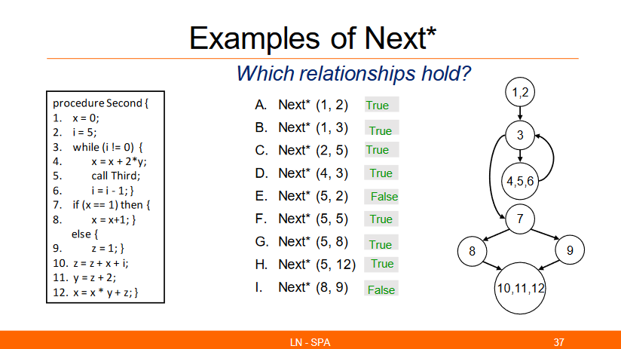
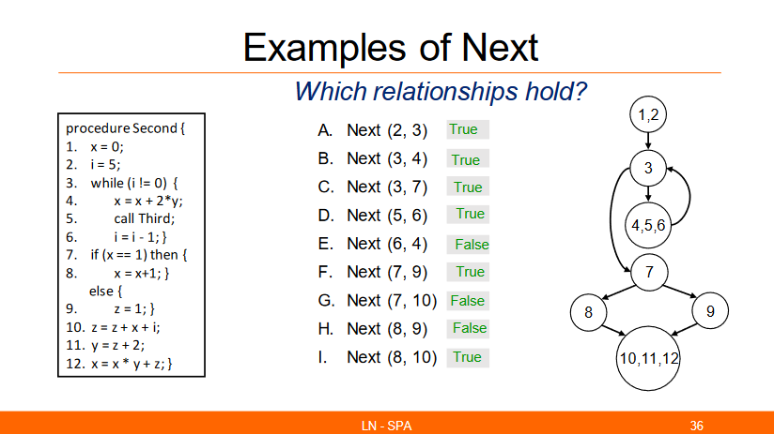
 | 1 | count = 0; | 1 |  |  |  |  |  |  |  | v=count, 1 |  |  | count
 | 2 | cenX = 0; | 1 |  |  |  |  |  |  |  | v=cenX,2 |  |  | cenX
 | 3 | cenY = 0; | 1 |  |  |  |  |  |  |  | v=cenY,3 |  |  | cenY
 | 4 | call readPoint; | 1
 | 5 | while ((x != 0) && (y != 0)) { | 2 |  |  |  |  | v=x,y,5
 | 6 | count = count + 1; | 2 | 5 | 5 | v=count,6 |  |  | v=count, computeCentroid |  | v=count,6 |  | v=count, 5 | count
 | 7 | cenX = cenX + x; | 2 | 5 | 5 | v=cenX,7 |  |  | cenX |  | v=cenX,7 |  | v=cenX, 5 | cenX
 | 8 | cenY = cenY + y; | 2 | 5 | 5 | v=cenY,8 |  |  | cenY |  | v=cenY,8 |  | v=cenY, 5 | cenY
 | 9 | call readPoint; | 2 | 5 | 5
 | }
 | 10 | if (count == 0) then { |  |  |  |  |  | v=count,10
 | 11 | flag = 1; | 3 | 10 | 10 |  |  |  |  |  | v=flag,11 |  | v=flag,10 | flag
 |  | } else {
 | 12 | cenX = cenX / count; | 3 | 10 | 10 | v=cenX count,12 |  |  | cenX, count |  | v=cenX,12 |  | v=cenX,12 | cenX
 | 13 | cenY = cenY / count; | 3 | 10 | 10 | v=cenY count,13 |  |  | cenY, count |  | v=cenY,13 |  | v=cenY,13 | cenY
 | }
 | 14 | normSq = cenX * cenX + cenY * cenY; | 1 |  |  | v=cenX cenY,14 |  |  |  |  | v=normSq,14 |  |  | normSq
 | 15 | print cenY; | 1 |  |  |  | v=cenY,15
 | }
 |  |  |  |  |  |  |  |  |  |  |  |  |  |  |  |  |  |  | Q8. Which procedures modify variable “x”? (Code 5)
 |  | procedure main {
 | 16 | flag = 0; | 4 |  |  |  |  |  |  |  | v=flag,16 |  |  | flag |  |  |  |  | variable v; procedure p;
 | 17 | call computeCentroid; | 4
 | 18 | call printResults; | 4 |  |  |  |  |  |  |  |  |  |  |  |  |  |  |  | Select p such that Modifies (p, “x”)
 |  | }
 |  |  |  |  |  |  |  |  |  |  |  |  |  |  |  |  |  |  | -- answer: main, computeCentroid, readPoint
 |  | procedure readPoint {
 | 19 | read x; | 5 |  |  |  |  |  |  |  |  | v=x,19
 | 20 | read y; | 5 |  |  |  |  |  |  |  |  | v=y20 |  |  |  |  |  |  |  |  |  |  |  |  |  |  |  |  | proc Second |  | while: 2 paths- continue or break
 |  | } |  |  |  |  |  |  |  |  |  |  |  |  |  |  |  |  |  |  |  |  |  |  |  |  |  |  | HashStmt |  | Hashwhile
 |  |  |  |  |  |  |  |  |  |  |  |  |  |  |  |  |  |  |  |  |  | start | next | nextbranch | while |  | if |  | start | next | start | next
 |  | procedure printResults { |  |  |  |  |  |  |  |  |  |  |  |  | Tokenizer |  |  |  |  |  | BINARY | 1 | 2 |  |  |  |  |  | 1 | 2 | 1 cont | 4
 | 21 | print flag; | 6 |  |  |  | v=flag,21 |  |  |  |  |  |  |  |  |  |  |  |  |  | TREE | 2 | 3 |  |  |  |  |  | 2 | 3 | 1 break | 7
 | 22 | print cenX; | 6 |  |  |  | v=cenX,22 |  |  |  |  |  |  |  | is SIMPLE case-sensitive |  |  |  |  |  |  | 3 |  |  | 4 | 7 |  |  | 3 | while1
 | 23 | print cenY; | 6 |  |  |  | v=cenY,23 |  |  |  |  |  |  |  | Wiki: PQL and SIMPLE are case sensitive |  |  |  |  | or | HASH x 3 | 4 | 5 |  | 3 |  |  |  | 4 | 5 | if: 2 path - true or else
 | 24 | print normSq; | 6 |  |  |  | v=normSq,24 |  |  |  |  |  |  |  |  |  |  |  |  |  | HashStmt | 5 | 6 |  | 3 |  |  |  | 5 | 6 | HashIf
 |  | } |  |  |  |  |  |  |  |  |  |  |  |  |  |  |  |  |  |  | HashWhile | 6 | 7 |  | 3 |  |  |  | 6 | 7 | start | next
 |  |  |  |  |  |  |  |  | what is diff between Uses(pn,flag) and Uses("printResults", flag)? |  |  |  |  |  |  |  |  |  |  |  | HashIf | 7 |  |  |  |  | 8 | 9 | 7 | If1 | TRUE | 8
 |  |  |  |  |  |  |  |  |  |  |  |  |  |  |  |  |  |  |  |  |  | 8 | 10 |  |  |  |  |  | 8 | 10 | ELSE | 9
 |  |  |  |  |  |  |  |  |  |  |  |  |  |  |  |  |  |  |  |  |  | 9 | 10 |  |  |  |  |  | 9 | 10
stmnt |  |  |  | variable |  |  |  |  |  | assign | VAR |  |  |  | print |  |  |  |  |  |  | 11 | 12 |  |  |  |  |  | 11 | 12
PK | Parent |  |  | PK | USV | MSV |  |  |  | PK | UAV |  | MAV |  | PK | UPNV |  |  |  |  |  | 12 | 13 |  |  |  |  |  | 12 | 13
1 | 0 | count,cenX,cenY |  | count | 10 |  |  |  |  | 1 | 0 |  | count |  | 15 | cenY |  |  |  |  |  |  |  |  |  |  | lineNOstart | while
2 | 0 |  |  | cenX |  | 12 |  |  |  | 2 | 0 |  | cenX |  | 21 | flag |  |  |  |  |  |  |  |  |  |  | lineNOend | {stmt}
3 | 0 |  |  | cenY |  | 13 |  |  |  | 3 | 0 |  | cenY |  | 22 | cenX
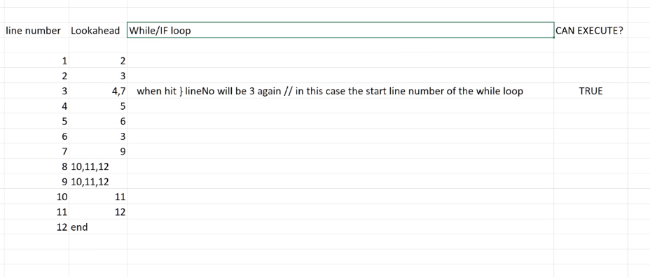
4 | 0 |  |  | x | 5 | 5 |  |  |  | 6 | count |  | count |  | 23 | cenY
5 | 0 |  |  | y | 5 | 5 |  |  |  | 7 | cenX |  | cenX |  | 24 | normSq
6 | 5 | x,y |  | flag |  | 10 |  |  |  | 8 | cenY |  | cenY
7 | 5 |  |  | normSq |  |  |  |  |  | 11 | 0 |  | flag |  | read
8 | 5 |  |  |  |  |  |  |  |  | 12 | cenX, count |  | cenX |  | PK | MRV
9 | 5 |  |  |  |  |  |  |  |  | 13 | cenX, count |  | cenY |  | 19 | x
10 | 0 |  |  |  |  |  |  |  |  | 14 | cenX, cenY |  | normSq |  | 20 | y
11 | 10 |  |  |  |  |  |  |  |  | 16 |  |  | flag
12 | 10
13 | 10
14 | 0
15 | 0
16 | 0 |  |  |  |  |  |  |  |  |  |  |  |  |  | proc
17 | 0 |  |  |  |  |  |  |  |  |  |  |  |  |  | PK | block | UPV | MPV | Hash
18 | 0 |  |  |  |  |  |  |  |  |  |  |  |  |  | computeCentroid | 1,2,3 | count, cenY, cenX | count, cenY, cenX,flag, normSq | HashID
19 | 0 |  |  |  |  |  |  |  |  |  |  |  |  |  | main | 4 |  | flag
20 | 0 |  |  |  |  |  |  |  |  |  |  |  |  |  | readPoint | 5
21 | 0 |  |  |  |  |  |  |  |  |  |  |  |  |  | printResults | 6
22 | 0
23 | 0
24 | 0

WikiSampleQueries
a. Queries with no such that and pattern clause:

variable v;
Select v
The query returns all variable names

procedure p;
Select p
The query returns all variable names

b. Queries with one such that clause:

Q3. Which statements can be executed after statement 6 directly or indirectly? (Code 5)
stmt s;
Select s such that Next* (6, s)

Q4. Which variables have their values modified in statement 6? (Code 5)
variable v;
Select v such that Modifies (6, v)

Q5. Which variables are used in assignment 14? (Code 5)
variable v;
Select v such that Uses (14, v)
-- answer: cenX, cenY

Q6. Find assignments within a loop. (Code 5)
assign a; while w;
Select a such that Parent* (w, a)
-- answer: 6, 7, 8

Q7. Which is the parent of statement #7? (Code 5)
stmt s;
Select s such that Parent (s, 7)
-- answer: 5

Q8. Which procedures modify variable “x”? (Code 5)
variable v; procedure p;
Select p such that Modifies (p, “x”)
-- answer: main, computeCentroid, readPoint

Q9: What are the procedures in the program call another procedure? (Code 6)
procedure p, q;
Select p such that Calls (p, _)
--- answer: First and Second
Underscore ‘_’ is a placeholder for an unconstrained design entity (procedure in this case). Symbol ‘_’ can be only used when the context uniquely implies the type of the argument denoted by ‘_’. Here, we infer from the program design model that ‘_’ stands for the design entity “procedure”.

Q10: Which procedures call procedure “Third” directly or indirectly? (Code 6)
procedure p;
Select p such that Calls* (p, “Third”)
--- answer: First, Second

Q11. Find all pairs of procedures p and q such that p calls q. (Code 6)
procedure p, q;
Select <p, q> such that Calls (p, q)
--- answer: First Second, Second Third

c. Queries with one pattern clause:

Q12. Find assignment statements where variable cenX appears on the left hand side. (Code 5)
assign a;
Select a pattern a (“x”, _)
-- answer: statements #2, #7, #12

Q13. Find assignments that contain expression count + 1 on the right hand side as a sub expression (Code 5)
assign a;
Select a pattern a ( _ , _“count + 1”_)
-- answer: 6

Q14. Find assignments that contain normSq on the left hand side and sub-expression cenX * cenX on the right hand side (Code 5)
assign a;
Select a pattern a ( “normSq” , _“cenX * cenX”_)
-- answer: 14
Same query can be written using a different variable name:
assign newa;
Select newa pattern newa ( “normSq” , _“cenX * cenX”_)
-- answer: 14

d. Queries with one pattern clause and one such that clause:

Q15: Find while loops with assignment to variable “count” (Code 5)
assign a; while w;
Select w such that Parent* (w, a) pattern a (“count”, _)
-- answer: 5

Q16. Find assignments that use and modify the same variable (Code 5)
assign a; variable v;
Select a such that Uses (a, v) pattern a (v, _)
-- answer: 6, 7, 8, 12, 13

Q17: Find assignments that use and modify the variable “x” (Code 5)
assign a; while w;
Select a pattern a (“x”, _) such that Uses (a, “x”)
or
Select a such that Uses (a, “x”) pattern a (“x”, _)
-- answer: none

Q18: Find assignments that are nested directly or indirectly in a while loop and modify the variable “count” (Code 5)
assign a; while w;
Select a such that Parent* (w, a) pattern a (“count”, _)
or
Select a pattern a (“count”, _) such that Parent* (w, a)
-- answer: 6

e. Queries with any number of such that and pattern clauses:

Q19: Which statements can be executed between statement #5 and statement #12? (Code 6)
stmt s;
Select n such that Next* (5, s) such that Next* (s, 12)
--- answer: 3, 4, 5, 6, 7, 8, 9, 10, 11

Q20: Find assignments to variable “x” located in a loop, that can be reached (in terms of control flow) from statement #1. (Code 6)
assign a; while w;
Select a pattern a (“x”, _) such that Parent* (w, a) such that Next* (1, a)
or
Select a such that Modifies (a, “x”) such that Parent* (w, a) such that Next* (1, a)
-- answer: 4
(The following queries do not refer to a SIMPLE program source code.)

Q21. Find three while loops nested one in another.
while w1, w2, w3;
Select <w1, w2, w3> such that Parent* (w1, w2) such that Parent* (w2, w3)
Explanation: notice that the query returns all the instances of three nested while loops in a program, not just the first one that is found.

Q22. Find all assignments to variable “x” such that value of “x” is subsequently re‑assigned recursively in an assignment statement that is inside a nested loop.
assign a1, a2; while w1, w2;
Select a1 pattern a1 (“x”, _) pattern a2 (“x”, _”x”_) such that Next * (a1, a2) such that Parent* (w2, a2) such that Parent* (w1, w2)

+

*
+
x = v + x * y + z * t |  |  |  |  |  | z | t

*
Which of the following patterns match this assignment statement?
 |  |  | v | x | y
assign a;

Pattern PQL query | Returns | Explanation
Select a pattern a ( _ , _“v”_) | stmt #1 | stmt #1 contains v as part of the expression on the RHS

Select a pattern a ( _ , _“x*y”_) | stmt #1 | stmt #1 contains x*y as a term on the RHS

Select a pattern a ( _ , _“v+x”_) | none | stmt #1 does not contain v+x as a sub-expression on the RHS

Select a pattern a ( _ , _“v+x*y”_) | stmt #1 | stmt #1 contains v+x*y as a sub-expression on the RHS

Select a pattern a ( _ , _“y+z*t”_) | none | stmt #1 does not contain y+z*t as a sub-expression on the RHS

Select a pattern a (_, _“x * y + z * t”_) | none | stmt #1 does not contain x*y+z*t as a sub-expression on the RHS

Select a pattern a ( _ , _“v + x * y + z * t”_) | stmt #1 | stmt #1 contains v+x*y+z*t as a sub-expression on the RHS

